Tabelle1
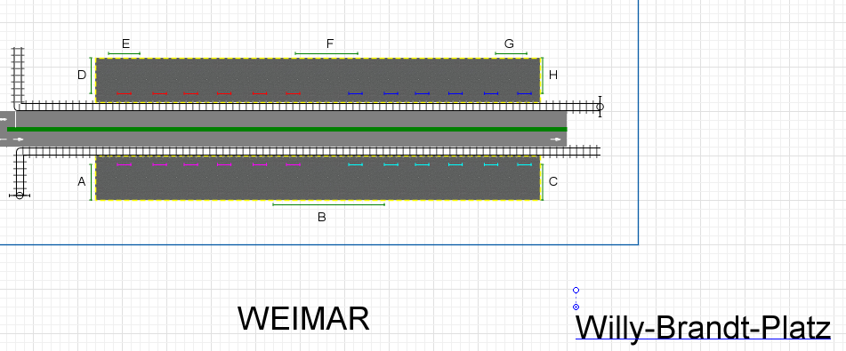

South
North

 |  |  | Bus # - direction | In | out
Information entrance of pedestrian (range of 10 min) |  |  | Bus 9 - south - north) | 34 | 30
 |  |  | Bus 9 - north - south) | 34 | 22
 | in | out
A | 2 | 1
B | 90 | 96
C | 4 | 1
D | 13 | 23
E | 4 | 0
F | 126 | 34
G | 2 | 9
H | 97 | 53

